Sheet1
 |  | Document No. | Issue No. |  | Issue Date |  | Review and Replace Date |  | Authorised By
 |  | GFF067MC | 3 |  | 22.01.2018 |  | 03.05.2022 |  | Magda Shah
 |  | Document Title | SEEDED VEGETABLE SAMOSA 100G
Document amendments reason for change |  | Packaging changed to clear base |  | Page 1 of 1 |  | Previous Issue Date |  | 18.08.2021 | Uncontrolled copy unless signed original

CVSAL1-G1TDG | DELI BY SHELL (JO) |  | SEEDED VEGETABLE SAMOSA 100G | CHILLED

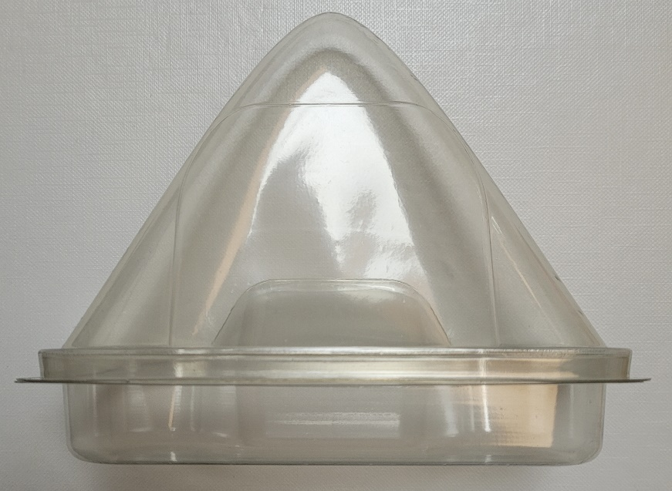 |  |  |  |  |  | 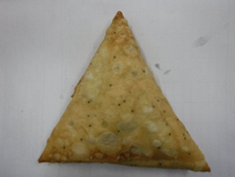

SAMOSA LID TRAY-(K-3073) (PKKIN001-03) |  |  |  |  |  | SEEDED VEGETABLE SAMOSA (GFF239R)
CLEAR BASE FOR SAMOSA (K-11824) (PKKIN001-07) |  |  |  |  |  | Weight : 100g
ALLERGY ALERT: WHEAT

